Sheet2
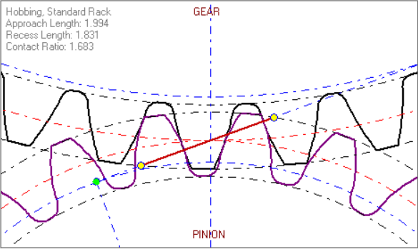
SYMBOL | VALUE | UNIT | TERM
 | Coarse Pitch Involute 20 deg |  | Standard-Diametral Pitches
Pd | 33.0000 |  | Diametral Pitch
m | 0.7697 |  | Modular Pitch
ø | 20.0000 | deg | Pressure Angle
mg | 2.0000 |  | Ratio, 1:x
C | 28.8636 | mm | Center Distance
MA | 1.9935 | mm | Approach Length
MR | 1.8310 | mm | Recess Length
mp | 1.6832 |  | Contact Ratio

PINION
Np | 25.0000 |  | Number of Teeth
Dp | 19.2424 | mm | Pitch Diameter
do | 20.7818 | mm | Major Diameter
dr | 17.3182 | mm | Minor Diameter
a | 0.7697 | mm | Addendum
b | 0.9621 | mm | Dedendum
 | 0.0000 |  | Addendum Modification Coefficient
 | 0.0000 | mm | Addendum Modification
db | 18.0820 | mm | Base Diameter
ht | 1.7318 | mm | Whole Depth
p | 2.4181 | mm | Circular Pitch
 | 0.2309 | mm | Fillet Radius
B | 0.0000 | mm | Backlash
t | 1.2090 | mm | Tooth Thickness
F | 1.0000 | mm | Face Width
dw | 1.3300 | mm | Pin Diameter
M | 21.0519 | mm | Measurement Over Pins
 | 3.0000 |  | Number of Teeth to Gage Over
 | 5.9501 | mm | Chordal Measurement

GEAR
Ng | 50.0000 |  | Number of Teeth
Dg | 38.4848 | mm | Pitch Diameter
Do | 40.0242 | mm | Major Diameter
Dr | 36.5606 | mm | Minor Diameter
a | 0.7697 | mm | Addendum
b | 0.9621 | mm | Dedendum
 | 0.0000 |  | Addendum Modification Coefficient
 | 0.0000 | mm | Addendum Modification
Db | 36.1639 | mm | Base Diameter
ht | 1.7318 | mm | Whole Depth
p | 2.4181 | mm | Circular Pitch
 | 0.2309 | mm | Fillet Radius
B | 0.0000 | mm | Backlash
t | 1.2090 | mm | Tooth Thickness
F | 1.0000 | mm | Face Width
dw | 1.3300 | mm | Pin Diameter
M | 40.3545 | mm | Measurement Over Pins
 | 6.0000 |  | Number of Teeth to Gage Over
 | 13.0364 | mm | Chordal Measurement

